1. Title Page
[Analysis of Instacart Dataframes]

Project Name: Analysis if Instacart Dataframes
Date: 21 December 2023
Analyst Name: Mnguni Zulu
Data Source:

Data Source:
The Instacart Online Grocery Shopping Dataset 2017”, Accessed from www.instacart.com/datasets/grocery-shopping-2017 via Kaggle on [date]
* Price and customer data is synthesised for purpose of this analysis
Contents:
Population Flow
Consistency checks
Wrangling steps
Column derivations
Visualizations
Recommendations

2. Population Flow
Title page

Population flow

Exclusion flag
Condition: max_order < 5
Obervations to be removed: 1,440,295
Final total count of order_products_all: 30,964,564

Orders_products_combined
Orders_products_merged
Orders_products_all

Total: 32,404,859
Total: 32,434,489
Total: 30,964,564

1.) The grey boxes in the first row of the population flow represent the original data sets as they were when you downloaded them. In the Total fields you need to add the count of the rows when you imported the data set into Jupyter.
2.) The second row of boxes (coloured) represents the data sets after you manipulated them, e.g., removed missing values and duplicates. In the Total fields you need to add the count of the rows after conducting these operations. This offers a visual oveview of how the data flows throughout the data consistency checks.
3.) The third row, where also the arrows are coloured, represents the merges you performed between the datasets. In the Total fields you need to add the count of the rows in the merged datasets, so that you end up with the final dataset (in the red box). Keep in mind the final dataset should be without exclusions (based on the exclusion flag).

3. Consistency checks
 |  |  |  | Title page
Consistency checks

Dataset | Missing values | Missing values treatment | Duplicates
orders | NaN values were identified | nothing, because they were first orders | duplicates identified, dropped
products | NaN values in product name column | rows with NaN were deleted | duplicates identified, dropped
orders_products_prior | no missing values | nothing | nothing
customers | all in the first names column | first and last name columns dropped | no duplicates found

4. Wrangling steps
 |  |  |  | Title page
Wrangling steps

Columns dropped | Columns renamed | Columns' type changed | Comment/Reason
first names column |  |  | data privacy concerns
last names column |  |  | data privacy concerns
 | State |  | made it lower case to conform
 | number_of_dependants |  | shortened the name for space
 | Gender |  | made it lower case to conform
 | Age |  | made it lower case to conform
 | orders_day_of_week |  | more understandable name
_merger |  |  | dropped all _merger columns after succesful merger
 |  | order_id | changed to string. No numeric significance.

5. Column derivations
 |  |  |  | Title page

Column derivations and aggregations

In this tab you should add tables below that the frequences of flags/label variables that you produced after deriving them. NB: don't do this for continuous variables, only for flags.
Dataset | New column | Column/s it was derived from | Conditions
order | first_purchase | days_since_prior_purchase | NaN vaues
order | busy_days | order_day_of_week/ order_number | frequency of orders
 | order_frequency_flag | order_number | frequency of orders
order | busiest_period_of_day | order_hour_of_days/ order_number | frequency of orders
order | loyalty_flag | order_frequency_flag | frequency of orders
customer | region | state | grouping of states

6. Visualizations
 |  |  |  |  |  | Title page

Visualisations

In this tab you should include all the visualtions from Exercises 4.9 and 4.10, alongside the questions from the project brief that they answer. Include any commentary on the relationship between different variables.

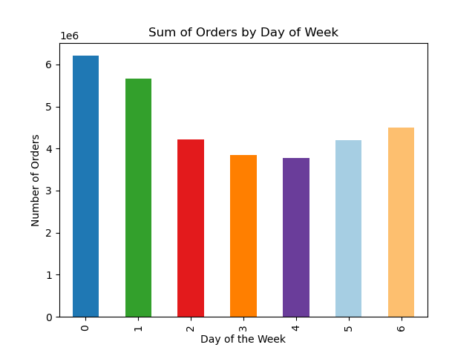
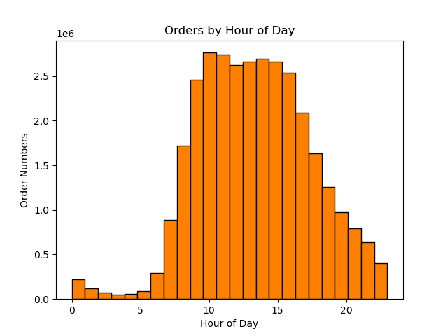

 | The above bar chart shows the number of orders on each day of the week. |  |  | The above chart shows the number of orders for each hour of the day.
 | 0 represents Saturday and 6 is Friday. This means that most orders are placed on a |  |  | It shows that the most orders are made 10am and the least are made at 3am
 | in descending order: Saturday, Sunday, Friday, Monday, Thursaday, Tuesday, Wednesday.
 | 0 | Saturday
 | 1 | Sunday
 | 2 | Monday
 | 3 | Tuesday
 | 4 | Wednesday
 | 5 | Thursday
 | 6 | Friday
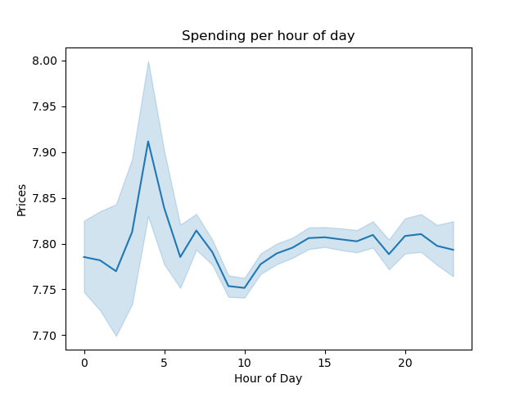
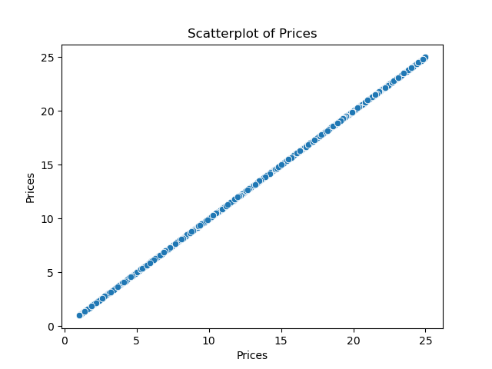

The average price serves as a measure of spending by customers, which is not entirely correlated to order numbers |  |  |  |  | The above chart plots the prices in the products dataframe aginst itself. As can be seen, there are prices
because of differing prices for producst. As the chart shows, customers spend the most between 3 and 4am. |  |  |  |  | in a continuous line, showing that there are many, many different prices. If there were prices
 |  |  |  |  | in groups, then the graph would have clear breaks.
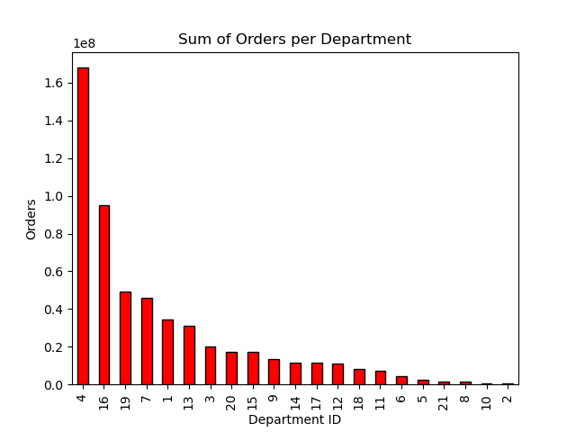

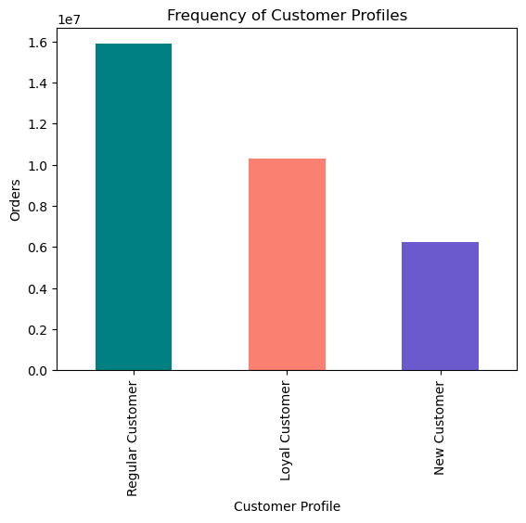

The above chart shows the number of orders per department.
Produce, dairy and eggs and snacks are the departments with the highest number of orders.

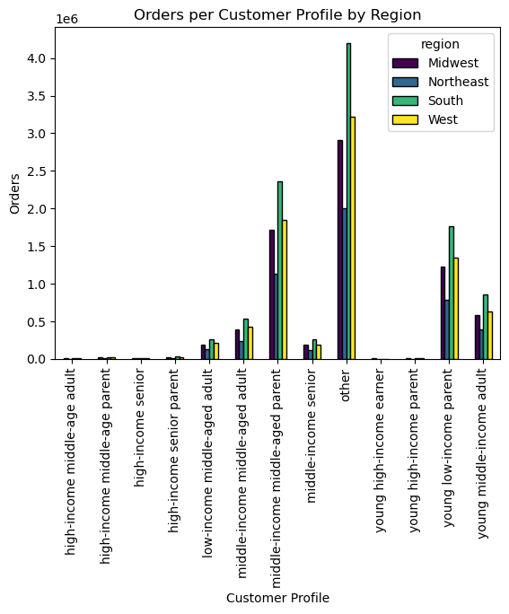

 |  |  |  |  | The above chart shows the number of customers which are grouped into the categories of 'Regular', 'Loyal' and 'New'.
 |  |  |  |  | We can see that the majority of orders come from regular customers, and not from what is defined as loyal customers.
 |  |  |  |  | Loyal customers are defined as having more than 40 orders.
 |  |  |  |  | Regular as having between 10 and 40 orders, and New customers have fewer than 10

 |  |  | The stacked bar chart on the left, shows the distribution of different customer profiles
 |  |  | in the different regions of the US. What can be seen for all the different customer profiles,
 |  |  | is that the South (in green) also generates the most orders.

 |  |  | Middle-income, middled aged parents are the customer group that spend more than any
 |  |  | other defined customer group (excluding 'other'). Young, low-income parents are the second largest group.
 |  |  | It seems that parents generate more orders.

7. Recommendations
 |  | Title page

Recommendations

In this tab you should include any recommendations you would made to Instcart in terms of their marketing strategy based on the questions posed in the brief. Every key question has been covered in the Tasks of the Exercises - here you need to add an item - a visualisation or table/crosstable that is showing the answer in the data, acompanied by a comment from you. Please, list the questions below and add the answer underneath.

Question | Answer
What are busiest days of the week? | The most orders are placed on a in descending order: Saturday, Sunday, Friday, Monday, Thursaday, Tuesday, Wednesday.
What are the busiest hours of the day? | The most orders are made 10am and the least are made at 3am
Are there particular hours of the day where spending is the most? | As the chart shows, customers spend the most between 3 and 4am.
What are the price range groupings like? | The price range can be described as continuous. The prices should be closer to flat rates (e.g. 3.99 or 4)
Are there certain types pf products are more popular than others? | Produce, dairy and eggs and snacks are the departments with the highest number of orders.
Are there differences in ordering habits based on customer loyalty? | We can see that the majority of orders come from regular customers, and not from what is defined as loyal customers.
Are there differences in ordering habits based on a customer’s region? | The Southern region of US states generates the most orders.
Is there a connection between age and family status in terms of ordering habits? | Middle-income, middled aged parents are the customer profile that spend the most, then young, low-income parents. Parents seem to order the most.

